Sheet1
 | Data Source: | https://gcmpc.public.ms2soft.com/tcds/tsearch.asp?loc=Gcmpc&mod=TCDS
Section # | Type | From | To / Crossing | Direction | Year Recorded | AADT (Annual Average Daily Traffic) | Average Hourly Traffic

1 | Main road Intersection | E 3rd Street | Stevens st | Two Way | 24 | 1699 | 71
2 | Main road Intersection | Chavez Dr | E 3rd Street | One Way | 24 | 4800 | 200
3 | Main road Intersection | Chavez Dr | E 4th Street | One Way | 24 | 4690 | 195
4 | Main road Intersection | Chavez Dr | E Court Street | One Way | 24 | 4696 | 196
5 | Main road Intersection | Saganaw | E Kearsley St | Two Way | 24 | 7572 | 316
6 | Main road Intersection | E 3rd Street | Chavez Dr | Two Way | 24 | 1699 | 71
7 | Off Ramp | 475 | Chavez Dr | Ramp (one way) | 24 | 5553 | 231
8 | Off Ramp | 69 | W 8th street | Ramp (one way) | 24 | 2230 | 93
9 | Off Ramp | 69 | W 9th street | Ramp (one way) | 25 | 3511 | 146
10 | On Ramp | W 8th street | 69 | Ramp (one way) | 25 | 3452 | 144
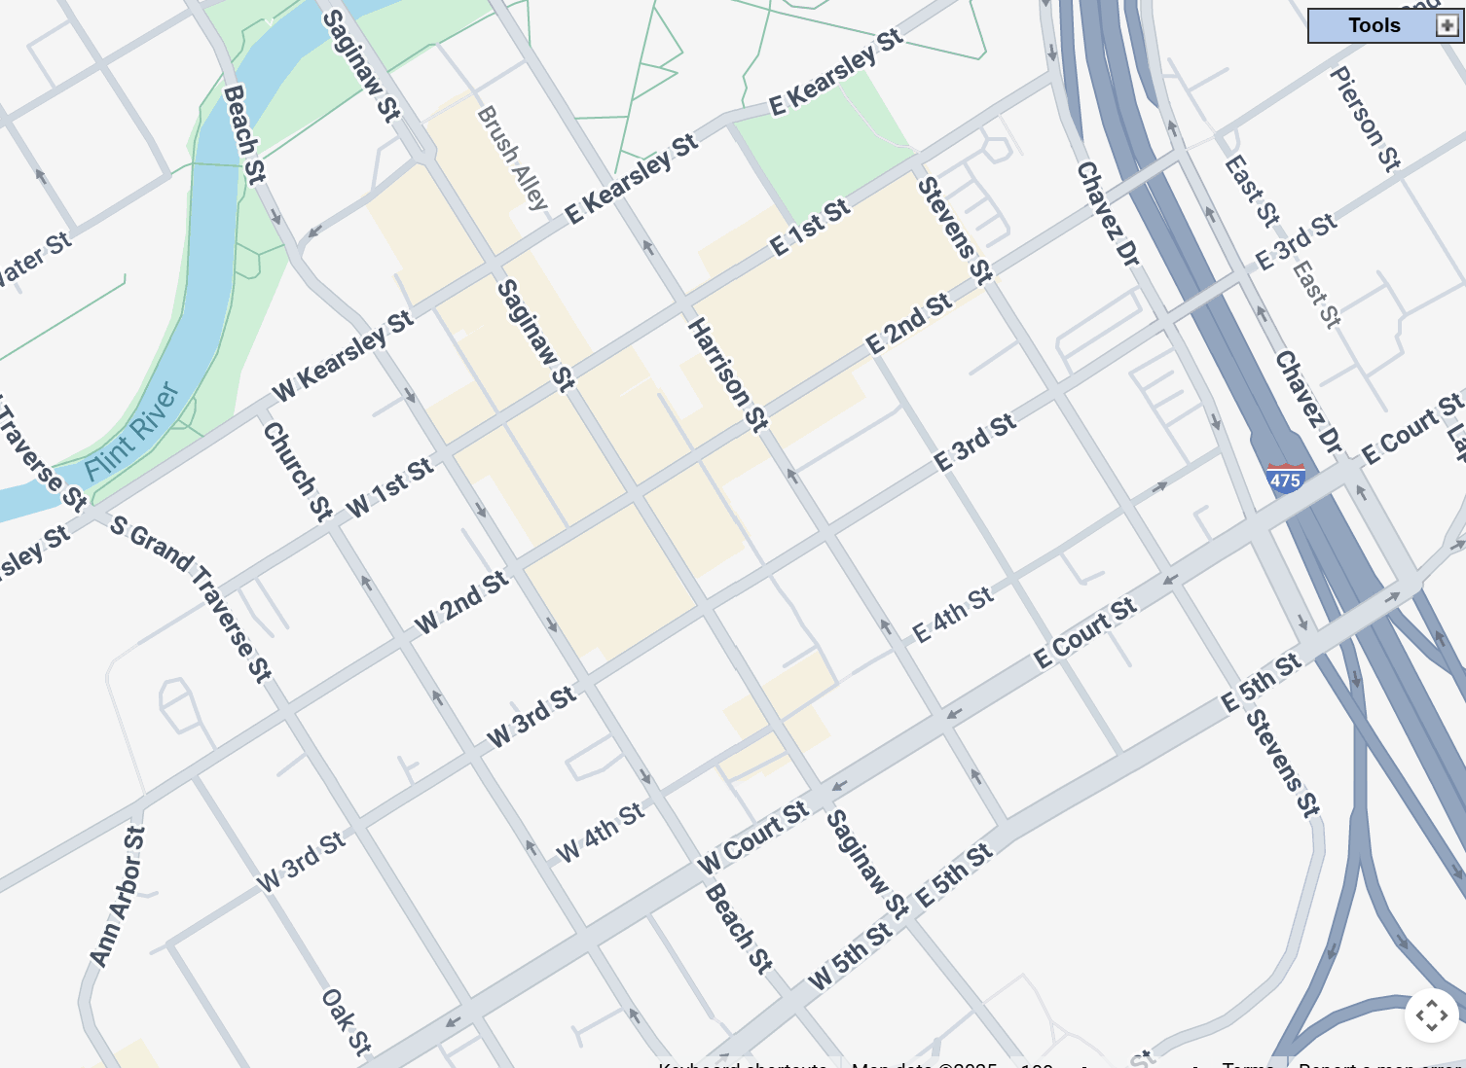
11 | On Ramp | Chavez Dr | 475 | Ramp (one way) | 24 | 1966 | 82
12 | On Ramp | W 8th street | 69 | Ramp (one way) | 25 | 3452 | 144
7
13 | On Ramp | W 9th street | 69 | Ramp (one way) | 24 | 2068 | 86
18
14 | Overpass | E 3rd Street | 475 | Two Way | 24 | 1515 | 63
17
15
15 | Overpass | E 2nd Street | 475 | Two Way | 24 | 2124 | 89
16 | Overpass | E Kearsley St | 475 | Two Way | 24 | 1877 | 78
5
17 | School Intersection | Harrison St | E Kearsley St | One Way | 25 | 2684 | 112
6
18 | School Intersection | E Kearsley St | Harrison St | Two Way | 24 | 2739 | 114
2
14
19 | School Intersection | Wallenberg st | E Kearsley St | Two Way | 9 | 2957 | 123
20 | School Intersection | Chavez Dr | E Kearsley St | One Way | 24 | 96 | 4
21 | School Intersection | Chavez Dr | Campus Dr | One Way | 0 | 1496 | 62
1
22 | Highway | 69 | Grans Traverse St | Two Way | 24 | 58696 | 2446
3
23 | Back road Intersection | Averille Ave | Hosler st | Two Way | 1 | 2336 | 97
4
24 | Back road Intersection | Mason st | 11th Ave | Two Way | 13 | 234 | 10
25 | Back road Intersection | Mason st | 10th ave | Two Way | 17 | 217 | 9
26 | Back road Intersection | Mason st | 9th ave | Two Way | 2 | 389 | 16
27 |  |  |  |  |  |  | 0
28 |  |  |  |  |  |  | 0
29 |  |  |  |  |  |  | 0
30 |  |  |  |  |  |  | 0
31 |  |  |  |  |  |  | 0
11
32 |  |  |  |  |  |  | 0
33 |  |  |  |  |  |  | 0
34 |  |  |  |  |  |  | 0
35 |  |  |  |  |  |  | 0
36 |  |  |  |  |  |  | 0
37 |  |  |  |  |  |  | 0
38 |  |  |  |  |  |  | 0
39 |  |  |  |  |  |  | 0
40 |  |  |  |  |  |  | 0
41 |  |  |  |  |  |  | 0
42 |  |  |  |  |  |  | 0
43 |  |  |  |  |  |  | 0
44 |  |  |  |  |  |  | 0
45 |  |  |  |  |  |  | 0
46 |  |  |  |  |  |  | 0
47 |  |  |  |  |  |  | 0

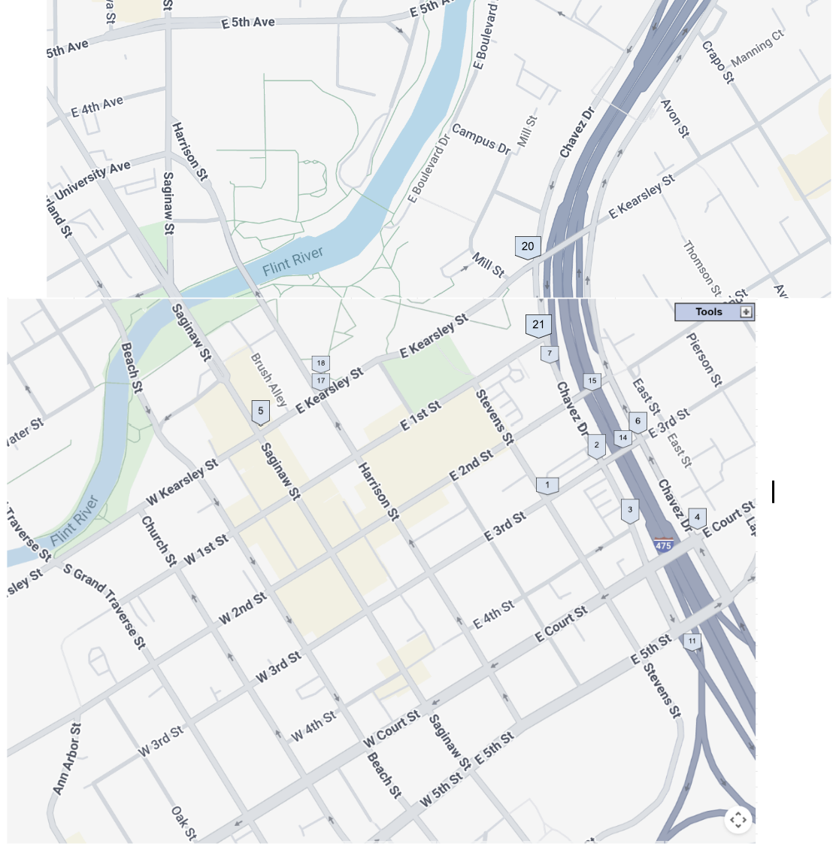

 | Location Types | Average Hourly Traffic
 | Highway | 2446
 | On Ramp | 114
 | Off Ramp | 157
 | Main road Intersection | 175
 | Back road Intersection | 33
 | School Intersection | 83
 | Overpass | 77

